AGING STEP BY STEP
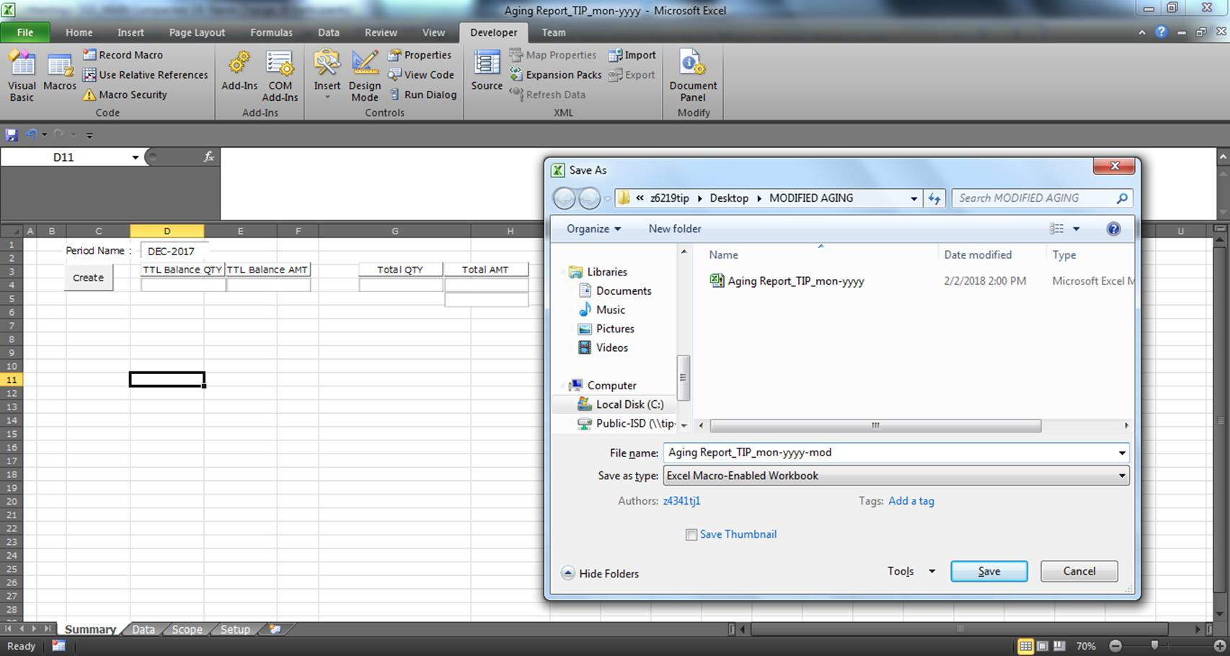
1.) Retrieve file from the sent email
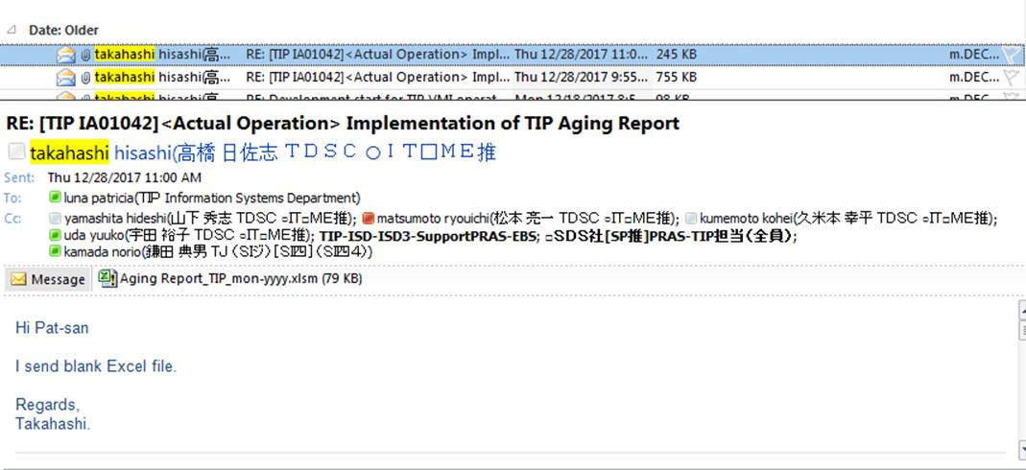

2.) Copy file to new folder
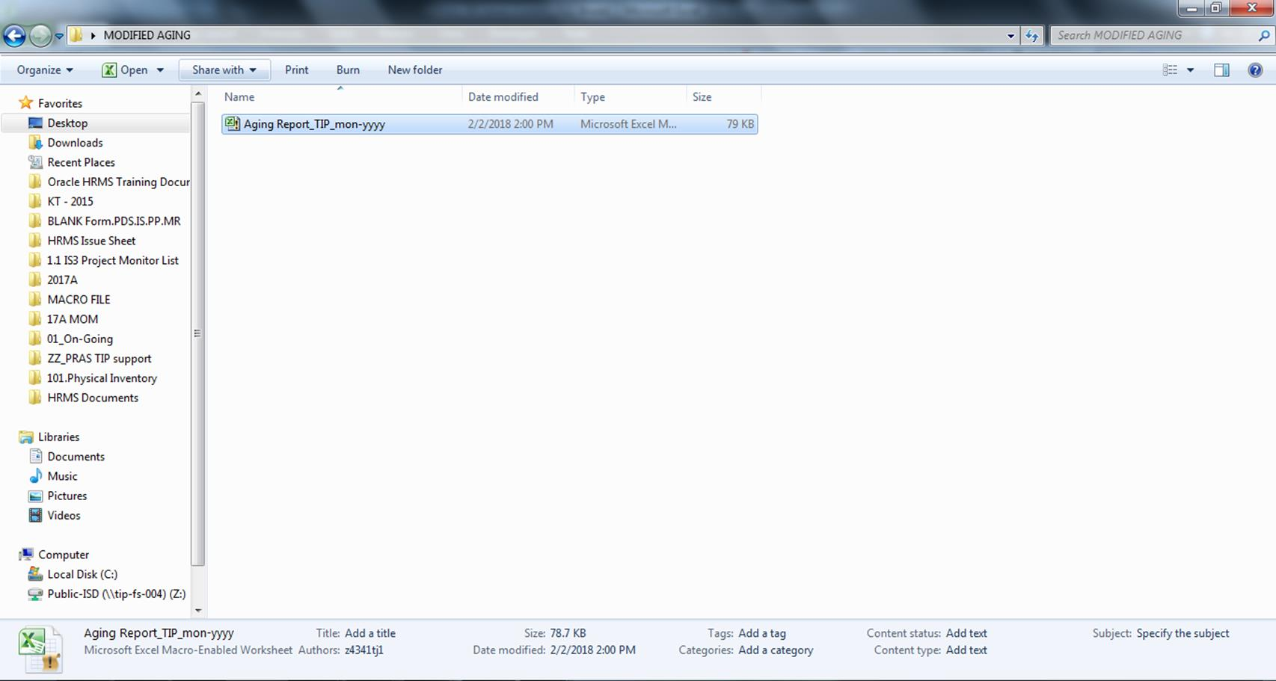

3.) Open file and Run Macro(Not Working
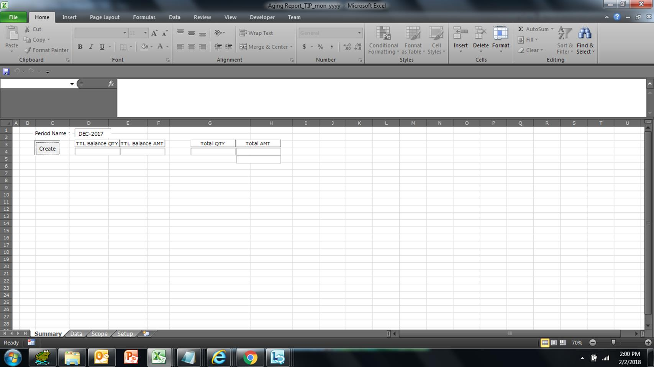

4.) Save file as Excel Workbook
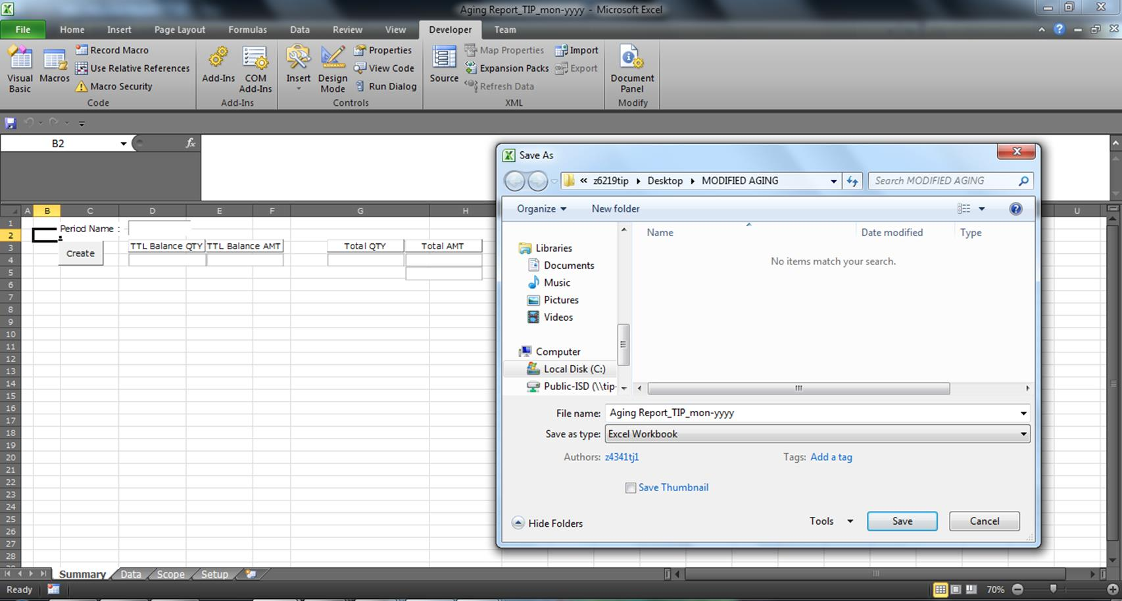

5.) Open file(Excel Workbook), then open Visual Basic Editor
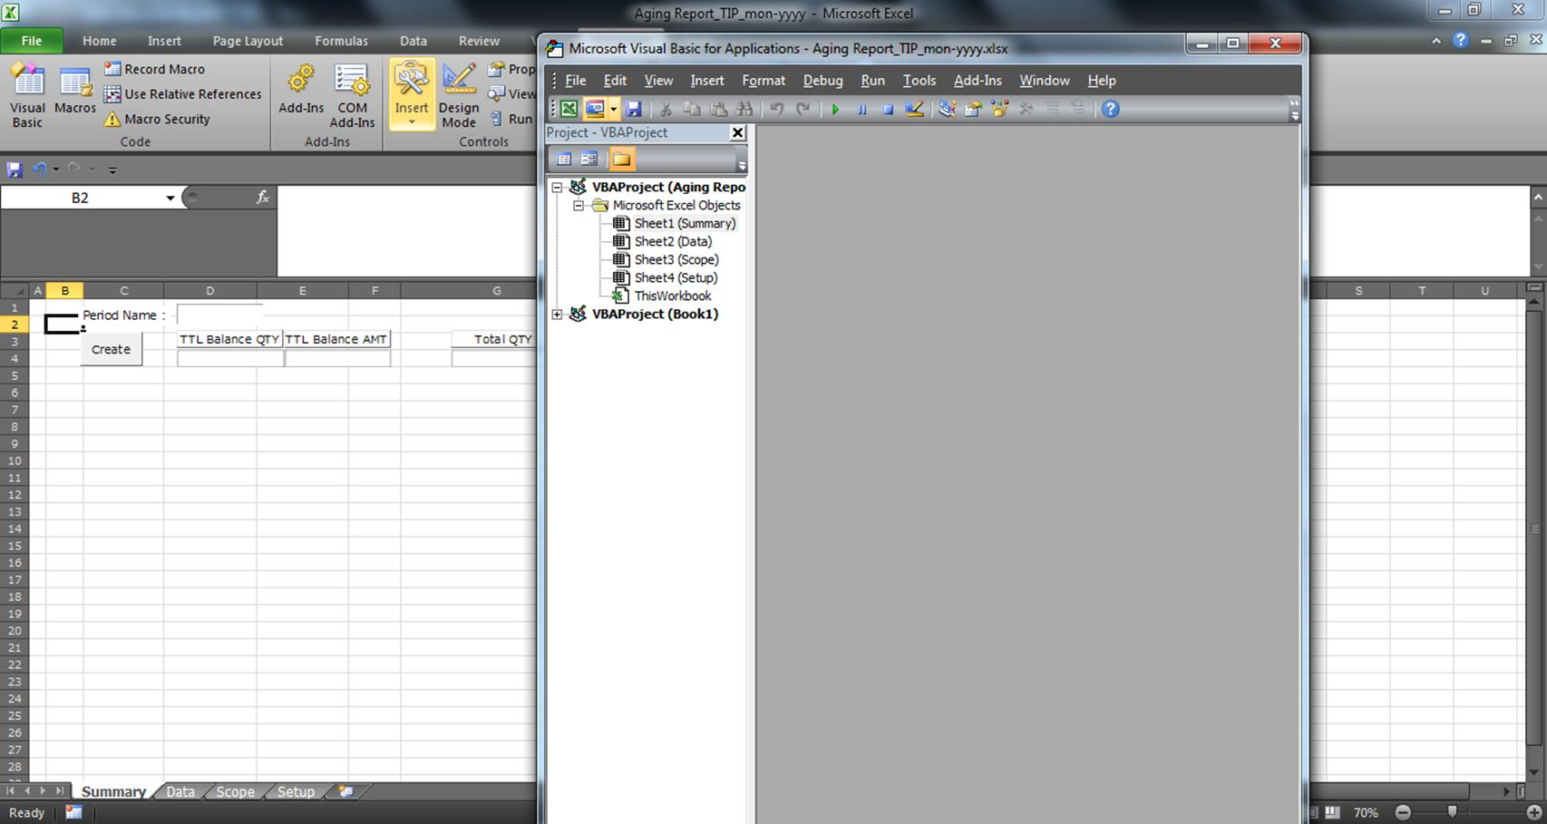

6.) Copy code from the Excel Macro-Enabled Workbook, and Paste Visual Basic Editor for specific destination(Summary)
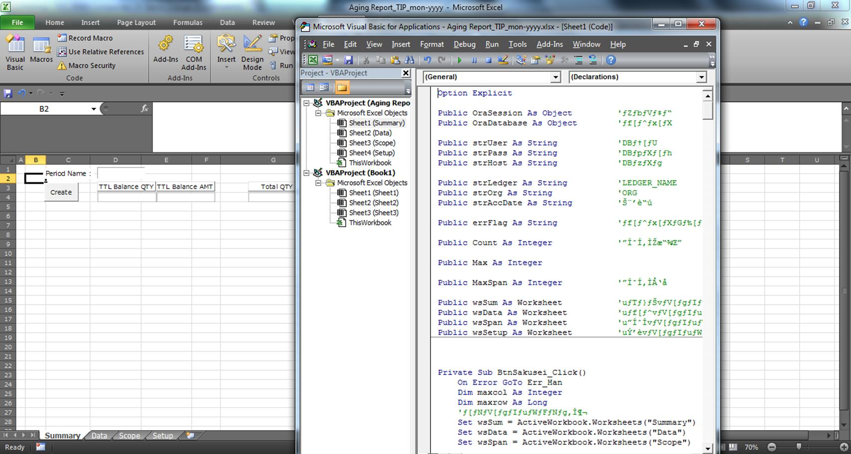

7.) Run Macro(Working)
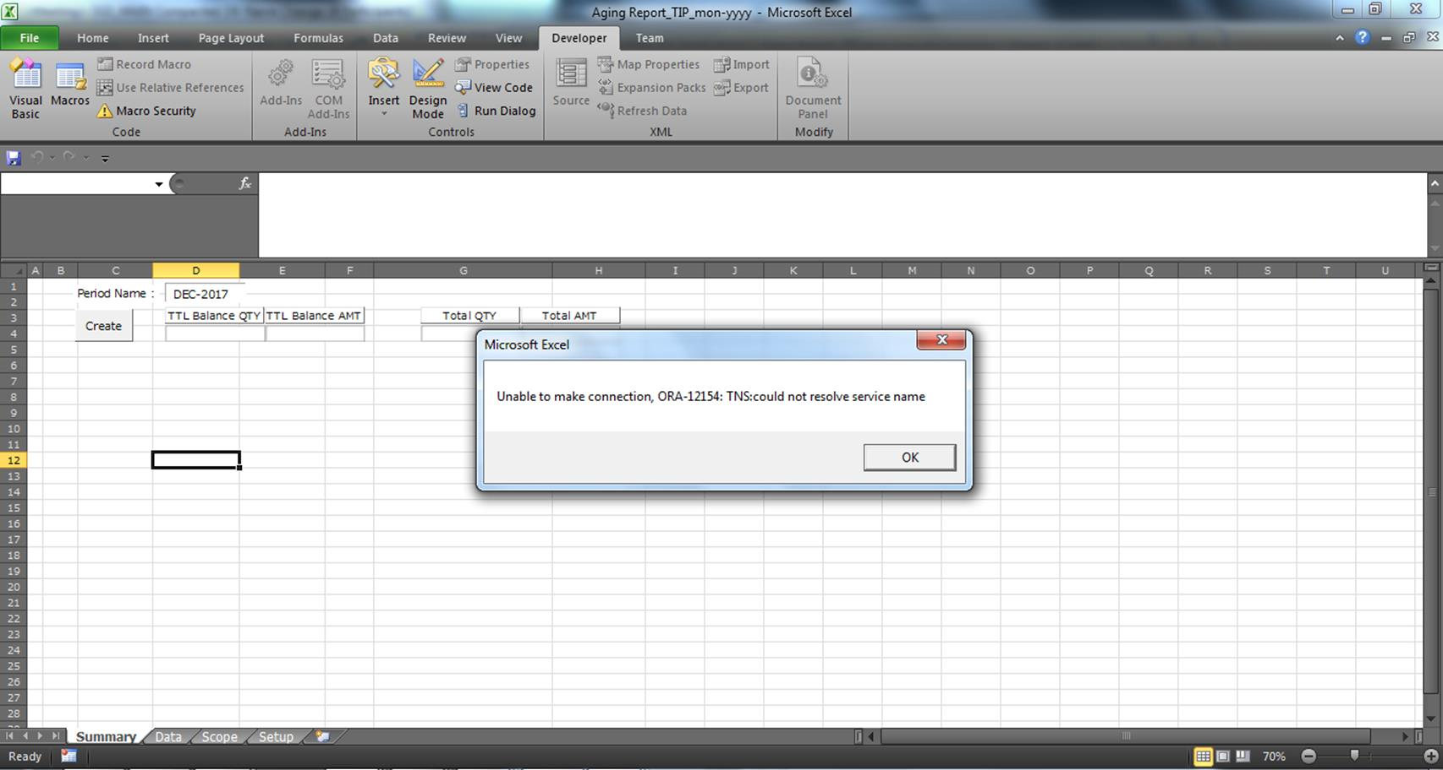

8.) Save as Excel Macro-Enabled Workbook

